Sections_Readme
v1.02 Agencies may submit one (1) set of Project V supplemental application forms to consolidate all existing and proposed Traditional Project V Transit Services; and one (1) set of Project V supplemental application forms to consolidate all existing and proposed On Demand Project V Transit Services.
NOTE: | This Supplemental Application is password protected!
Additional guidance and instructions for data entry are provided in the margins of forms (columns A thru D, Q thru Z). Applicants may annotate questions for OCTA using the 'comments' function.

Supplemental Application Sections |  | Description of Contents
A. | PROJECT INFORMATION | Overview of Project, service type, description of service, and routes/services proposed for operation
B. | OPERATING SUMMARY | Projection of annual revenue hours per Service Type and route
C. | COST SUMMARY | Estimated annual cost of initial marketing, capital purchase, ongoing O&M; and associated local match contributions
D. | COST BREAKDOWN | Itemized Marketing, Capital, O&M cost items and assumptions
E. | FUNDING SUMMARY | Proposed local and 3rd Party revenue sources supporting initial marketing, capital purchase, ongoing O&M
F. | OPERATING PROFILE | Proposed Project operating spans, frequencies, cycle times, fleet requirements (by route)
G. | TRANSIT NETWORK CONNECTIVITY | Description of Local and Regional fixed route transit connections
H. | COST EFFECTIVENESS | Projected Ridership and cost per boarding calculations.
I. | PROJECT READINESS | Service Implementation (procurement, initial startup, mobilization and demobilization) and performance monitoring approach. Discusion of relevant Agency experience providing transit services, including years in service.

Tabs are formatted to print. Do not add any columns to these forms. If you need additional space for responses, please include within supplemental materials and documention.
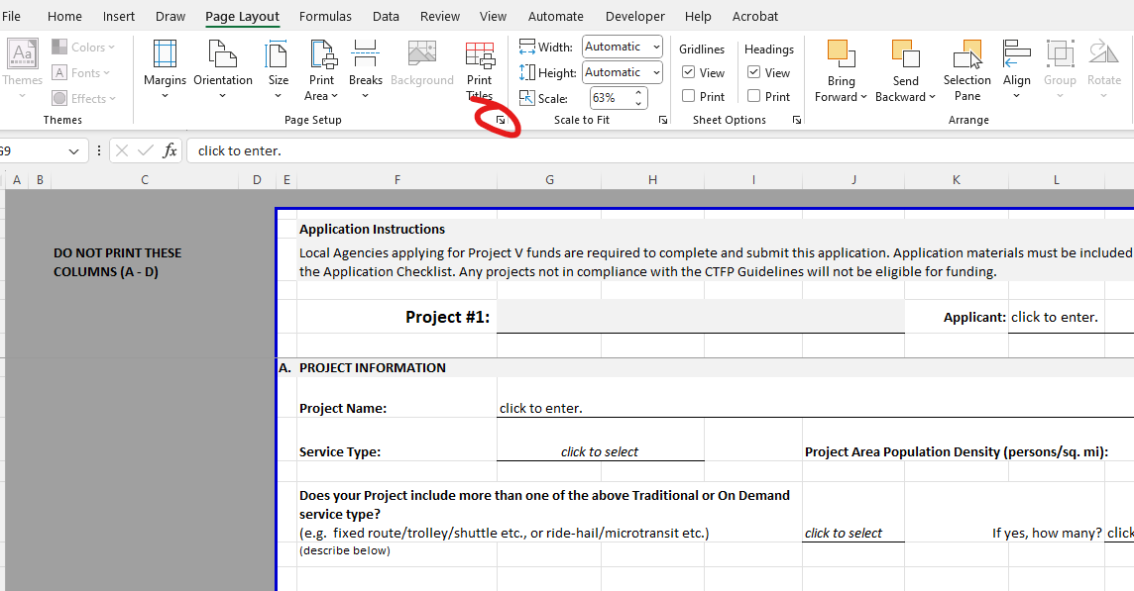

To get to Print Preview, and check scale and pagination, select "Page Layout" and more options (bottom corner)

Drag the page break lines up and down as needed once application is complete

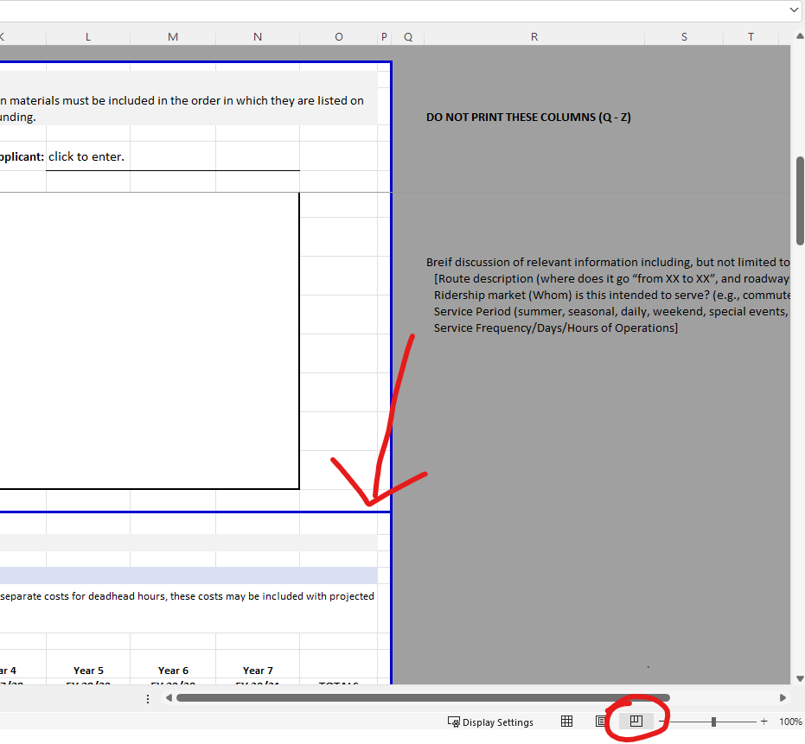

while in "page break preview", →→ Drag the page break lines up and down as needed once application is complete

Select "Page Break Preview" viewer to see/edit where your page breaks will be when you print

